Lab Instrument
SNO. | Lab Instruments List |  |  | Category | Brands
1 | Alcohal | Laboratory Alcohol is alcohol supplied in a specified purity and reagent grade for laboratory cleaning, sample preparation, extraction, disinfection, and chemical procedures, Type :- Ethanol (Ethyl Alcohol) 70%, 95%, 99%+ Solvent, cleaning, sample preparation, Absolute Ethanol ≥99.5%, Analytical/reagent applications, Isopropyl Alcohol (IPA) 70%, 99%+ Equipment, surface and electronics cleaning Methanol ≥99% Analytical solvent; toxic n-Propanol ≥99% Solvent and analytical applications, Grade: Laboratory / Analytical / AR / HPLC grade, Purity: As required, e.g. 70%, 95%, 99%, 99.5%+, Form: Liquid, Packaging: 500 mL, 1 L, 2.5 L, 5 L, Container: Glass or compatible HDPE bottle, COA: Certificate of Analysis should be available for analytical-grade material, | 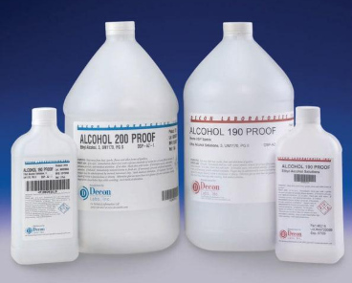
2 | Analytical Balance | An Analytical Balance is a high-precision laboratory weighing instrument used to measure the mass of samples with very high accuracy. It normally has a draft shield to protect the weighing pan from air movement, Type :- Digital Analytical Balance, Micro Analytical Balance, Semi-Micro Balance, Precision Analytical Balance, Internal Calibration Analytical Balance, External Calibration Analytical Balance, Capacity :- 100–320 g, Readability :- 0.1 mg (0.0001 g), Repeatability :- Grade/model dependent, Calibration :- Internal / external, Pan size :- ~80–100 mm, Display :- Digital LCD/LED Draft shield :- Usually included, Units :- g, mg, ct, oz, Interface :- USB / RS-232 on many models | 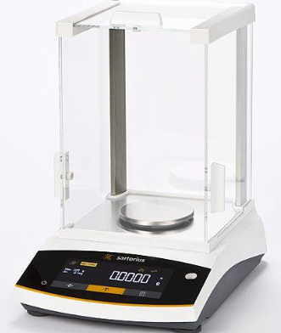
3 | Aneroid Spygmomano Meter | An Aneroid Sphygmomanometer is a manual blood-pressure measuring instrument used to measure systolic and diastolic blood pressure. It uses a mechanical pressure gauge rather than a mercury column or electronic sensor, Main Parts :- Aneroid pressure gauge, Blood-pressure cuff, Inflation bulb, Air tube, Air-release valve, Carrying case, Stethoscope (usually supplied separately or as a kit), Type :- Pocket Aneroid Sphygmomanometer, Palm/Handheld Type, Desktop Type, Wall-Mounted Type, Mobile/Trolley Type, Adult / Pediatric / Large-Adult Cuff, Measurement range - 0–300 mmHg, Cuff sizes - Adult, pediatric, large adult, Accuracy:- Typically ±3 mmHg, Gauge:-Aneroid mechanical, Scale:- mmHg, Operation :- Manual inflation, Use :- Clinical / hospital / home | 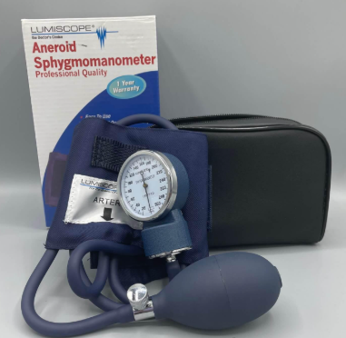
4 | Apron | A Lab Apron is protective clothing worn in laboratories to protect the user's clothing and skin from spills, splashes, dust, and minor chemical exposure, Type :- Cotton Lab Apron, Polyester/Cotton Apron, PVC/Plastic Apron, Chemical Resistant Apron, Disposable PE Apron, ESD/Anti-Static Apron, Heat-Resistant Apron, Material :- Cotton, poly-cotton, PVC, PE, coated fabric, Size :- S, M, L, XL, XXL, Length :- Waist / knee / full-length, Color :- White, blue, green, yellow, Closure :- Tie, snap button, buckle, Pockets :-1–3 pockets, Protection :- Splash, dust, chemical or heat—grade dependent | 
5 | Beaker | A Beaker is a laboratory container used for holding, mixing, heating, dissolving, and transferring liquids or chemicals. It usually has a cylindrical body, flat bottom, and a pouring spout, Types :- Glass Beaker, Plastic Beaker, Low-Form Griffin Beaker, Tall-Form Beaker, Heavy-Duty Beaker, Graduated Beaker, Sizes :- 25 mL, 50 mL, 100 mL, 250 mL, 500 mL, 1 L, 2 L, 3 L, 5 L, Material: Borosilicate glass, PP, HDPE, Capacity: 25 mL to 5 L+, Shape: Cylindrical, Graduation: Approximate volume markings, Feature: Pouring spout, Glass type: Usually heat-resistant borosilicate for laboratory applications, | 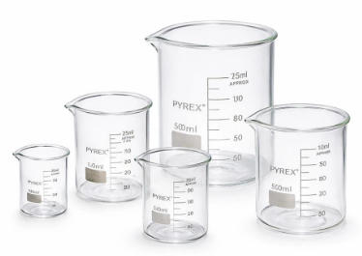
6 | Blood Bag | A Blood Bag is a sterile, disposable medical bag used for collecting, storing, transporting, and processing donated blood and blood components. It is generally made from flexible medical-grade PVC and contains an anticoagulant/preservative solution, Type :- Single Blood Bag, Double Blood Bag, Triple Blood Bag, Quadruple Blood Bag, Pediatric Blood Bag, Leukoreduction Blood Bag, Capacity :- 250, 350, 450 mL, Material :- Medical-grade PVC, Anticoagulant :- CPDA-1, CPD/SAGM or equivalent system, Sterility :- Sterile, single-use, Tubing :- Integrated collection/transfer tubing Needle Sterile donor needle, depending on system, Ports :- Transfer/sample ports depending on configuration | 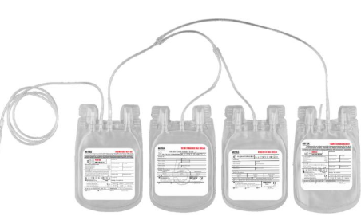
7 | Blood Sample | A Blood Sample is a portion of blood collected from a patient or donor for laboratory testing, diagnosis, monitoring, or screening, Types of Blood Samples, Whole Blood :- EDTA tube (purple/lavender) CBC, hematology, Serum :- Plain/serum separator tube, Plasma :- Heparin/citrate tube Chemistry, coagulation, Citrated Blood Sodium citrate tube (blue) :- PT, aPTT, coagulation tests, Blood Culture Sample :- Blood culture bottle, Capillary Blood Lancet/micro-container, Common Collection Tube Colors, 🟣Purple/Lavender: EDTA, 🔴 Red: Serum, 🟡 Yellow/Gold: Serum separator, 🔵 Blue: Sodium citrate, 🟢 Green: Heparin, ⚫ Black: ESR testing, 🩶 Grey: Glucose testing, Sterile collection equipment, Correct tube/additive for the test, Proper patient/sample identification, Appropriate sample volume, Proper storage and transport conditions | 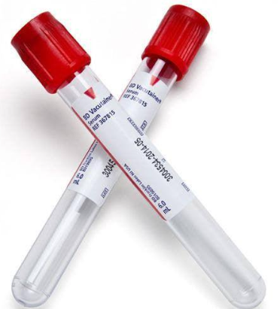
8 | Blood Transfusion Set | A Blood Transfusion Set is a sterile, single-use medical administration set used to transfer blood or blood components from a blood bag to a patient through an IV line. It typically incorporates a blood filter to help remove clots and particulate matter, Main Component :- Blood bag spike, Drip chamber, Blood filter (commonly around 170–260 µm, depending on product), Flexible tubing, Roller/flow regulator clamp, Luer connector, Protective caps, Type :- Standard blood transfusion set, Blood administration set with filter, Vented/non-vented variants, Y-type blood transfusion set, Blood component administration set, Pediatric/low-volume transfusion set, Sterility :- Sterile, Use :- Single use, Filter :- Blood/clot filter, Tubing :- Medical-grade PVC, Connection:- Luer/Luer-lock, depending on design, Spike :- Standard blood-bag spike, Tubing length :- Approximately 150–200 cm, depending on model, | 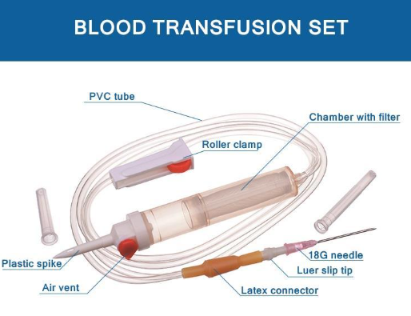
9 | Bunsen Berner | A Bunsen Burner is a laboratory heating device that produces a controlled gas flame for heating, sterilization, and combustion experiments, Type :- Standard Bunsen Burner, Teclu Burner, Meker Burner, Gas Bunsen Burner, Air/Gas Adjustable Burner, Fuel :- LPG / Natural Gas, Material :- Brass / Stainless Steel, Flame :- Adjustable, Gas Connection :- Approx. 6–10 mm, depending on model, Air Control :- Adjustable air collar, Base :- Stable metal base, Ignition :- Manual or piezo, depending on model | 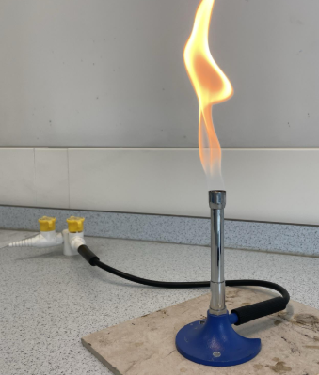
10 | Burette | A Burette is a graduated laboratory instrument used to dispense and measure precise volumes of liquid, especially during titration and volumetric analysis, Type :- Glass Burette, Class A Burette, Class B Burette, PTFE Stopcock Burette, Automatic Burette, Digital Burette, Capacity :- 10, 25, 50, 100 mL, Common Size :- 50 mL, Graduation :- 0.1 mL commonly, Material :- Borosilicate glass / chemical-resistant plastic, Stopcock :- Glass / PTFE, Accuracy :- Class A or Class B, Scale :- Graduated, typically increasing downward
11 | Button Lac | Button Lac is a form of shellac, a natural resin obtained from the secretion of the lac insect. It is supplied as small, button-like pieces and is used as a natural coating, binder, and insulating material, Type :- Button Lac, Seed Lac, Bleached Shellac, Dewaxed Shellac, Industrial Shellac, Form :- Button / solid resin, Colour :- Yellow, orange, reddish-brown, Solubility :- Soluble in alcohol, Origin :- Natural lac resin, Pack Size :- 500 g, 1 kg, 5 kg, 25 kg, Grade :- Industrial / Technical / Refined | 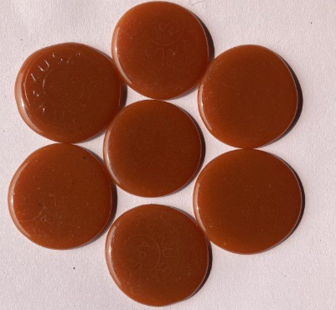
12 | Catheter | A Catheter is a thin, flexible medical tube inserted into the body to drain fluids, deliver medicines/fluids, or access specific body areas for medical procedures, Type :- Foley Catheter :- Continuous urinary drainage, Nelaton Catheter :- Intermittent urinary drainage, Suprapubic Catheter :- Urinary drainage through abdominal access, IV Catheter / Cannula :- IV fluids and medicines, Central Venous Catheter :- Long-term vascular access, Urinary Catheter :- Bladder drainage, Feeding Catheter :- Enteral feeding, Cardiac Catheter :- Cardiac diagnostic /interventional procedures, Material: PVC, silicone, latex, polyurethane, depending on type, Urinary sizes: commonly 6–24 Fr, Length: varies by catheter type and intended use, Construction: 2-way, 3-way, single-lumen, multi-lumen, Sterility: sterile, single-use for many disposable types, Tip: straight, curved, rounded or specialty design, | 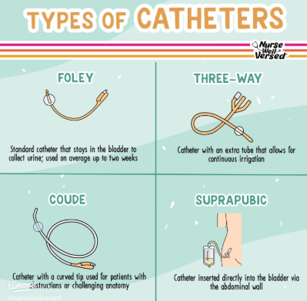
13 | Centrifuge | A Centrifuge is a laboratory instrument that uses centrifugal force to separate components of a sample according to their density. It is widely used for separating blood, cells, precipitates, and other particles from liquids, Type :- Laboratory Centrifuge, Benchtop Centrifuge, High-Speed Centrifuge, Refrigerated Centrifuge, Clinical Centrifuge, Hematocrit Centrifuge, Industrial Centrifuge, Speed :- 3,000–15,000 RPM; higher for specialized models, Capacity :- 6–96 tubes or more, Tube Capacity :- 0.2 mL to 100+ mL depending on rotor, RCF :- Depends on rotor radius and speed, Temperature :- Ambient or refrigerated, depending on model, Timer :- Digital, commonly 1–99 min, Rotor :- Fixed-angle or swing-out, Control :- Digital / programmable, | 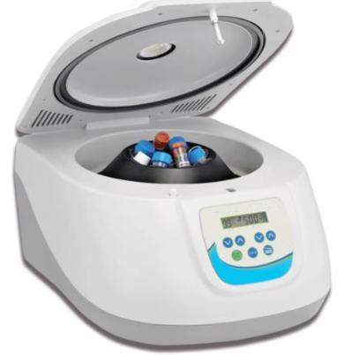
14 | Chemicals | Lab Chemicals are chemicals and reagents used in laboratories for testing, analysis, experiments, sample preparation, research, and quality control, Main Categories :- Acids :- Hydrochloric acid, Sulfuric acid, Nitric acid, Acetic acid, Bases / Alkalis :- Sodium hydroxide, Potassium hydroxide, Ammonium hydroxide, Solvents :- Ethanol, Methanol, Acetone, Isopropyl alcohol, Toluene, Salts :- Sodium chloride, Potassium chloride, Copper sulfate, Indicators :- Phenolphthalein, Methyl orange, Bromothymol blue, Buffers pH 4, pH 7, pH 10 buffer solutions, Reagents :- Analytical and chemical testing reagents, Stains & Dyes, Methylene blue, Crystal violet, Safranin, Microbiology, Chemicals :- Tryptone, Yeast extract, Agar, LB medium, Volumetric Chemicals :- Standard solutions and titration reagents, Cleaning Chemicals :- Laboratory detergents, disinfectants, Specialty Chemicals :- HPLC/GC-grade solvents, molecular biology reagents, Common Grades :- AR – Analytical Reagent, LR – Laboratory Reagent, GR – Guaranteed Reagent, ACS Grade, HPLC Grade, GC Grade, Molecular Biology Grade, Technical /Industrial Grade, | 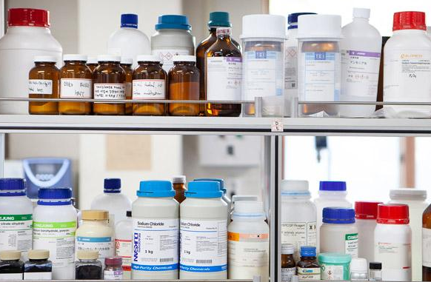
15 | Cotton Ball | A Cotton Ball is a small, soft ball of absorbent cotton used for cleaning, applying antiseptics, disinfectants, or handling small amounts of liquids, Type :- Sterile Cotton Ball, Non-Sterile Cotton Ball, Absorbent Cotton Ball, Large Cotton Ball, Small Cotton Ball, Material :- 100% absorbent cotton, Form :- Round/ball, Size :- Small / Medium / Large, Sterility :- Sterile / Non-sterile, Colour :- White, Packaging :- 50, 100, 200, 500 pcs or bulk, | 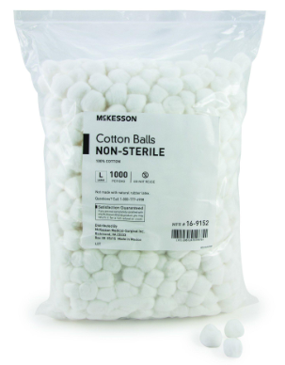
16 | Cover Slip | A Cover Slip (Coverslip) is a very thin piece of glass or plastic placed over a microscope specimen on a glass slide. It protects the sample, provides a flat viewing surface, and helps maintain proper optical conditions for microscopy, Type :- Glass Cover Slip, Plastic Cover Slip, Square Cover Slip, Circular Cover Slip, Material :- Optical glass / Plastic, Common Size :- 22 × 22 mm, Other Sizes :- 18×18, 20×20, 24×24, 22×50 mm, Thickness :-Approx. 0.13–0.17 mm for No. 1.5, Shape :- Square / Circular, Packaging :- 50, 100, 200 or 1000 pieces, | 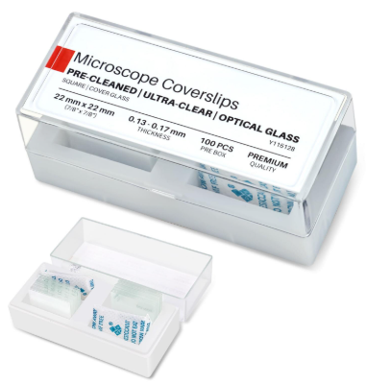
17 | Crash Cart | A Crash Cart (also called a Code Cart or Resuscitation Cart) is a mobile medical trolley containing essential emergency equipment, medicines, and supplies required during cardiac arrest and other medical emergencies. Main Components :- Multiple drawers for emergency supplies, Defibrillator /monitor shelf, IV pole, Oxygen cylinder holder, CPR board, Locking/sealing mechanism, Swivel castors with brakes, Sharps container holder, Material :- Powder-coated steel / ABS plastic, Drawers :- 4–6 or more, Castors :- 100–125 mm, typically with brakes, IV Pole :- Adjustable/removable, CPR Board :- Included or optional, Defibrillator Platform :- Top shelf, Locking :- Central lock / disposable seal, Construction :- Mobile, easy-to-clean, Common Contents :- Defibrillator and ECG accessories, Ambu bag and masks, Airway/intubation supplies, IV cannulas and infusion sets, Syringes and needles, Emergency medications, Gloves, dressings and other consumables, | 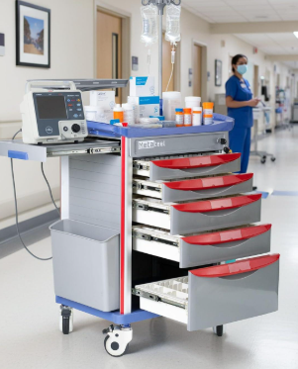
18 | Curved Tweezer | A Curved Tweezer is a precision gripping instrument with curved tips or angled jaws, used to pick, hold, position, or manipulate small objects and specimens, Type :- Fine-Tip Curved Tweezer, Blunt-Tip Curved Tweezer, Serrated Curved Tweezer, Anti-Magnetic Curved Tweezer, Surgical Curved Tweezer/Forceps, Material Stainless steel / anti-magnetic alloy, Length :- 100–200 mm commonly, Tip :- Fine / blunt / serrated, Shape :- Curved / angled, Finish :- Polished / matte, Sterility :- Sterile or non-sterile, depending on use, | 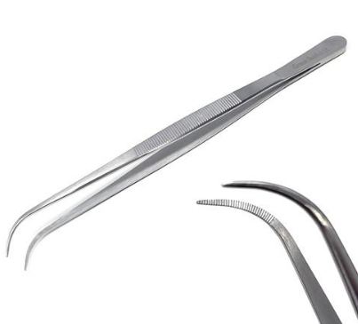
19 | Digital Sphygmomonometer | A Digital Sphygmomanometer is an electronic device used to measure blood pressure (systolic and diastolic pressure) and pulse rate. It typically uses an automatic inflatable cuff and displays readings on an LCD screen, Type - Upper-Arm Digital BP Monitor, Wrist Digital BP Monitor, Automatic BP Monitor, Semi-Automatic BP Monitor, Professional /Clinical Digital BP Monitor, Measurement :- Systolic / Diastolic BP + Pulse, BP Range :- Approx. 0–299 mmHg, Pulse Range :- Approx. 40–199 beats/min, Display :- LCD / digital display, Cuff :- Adult / Large Adult / Pediatric options, Inflation :- Automatic :- Power Batteries / AC adapter, Memory :- Multiple readings, depending on model, Measurement Unit :- mmHg, | 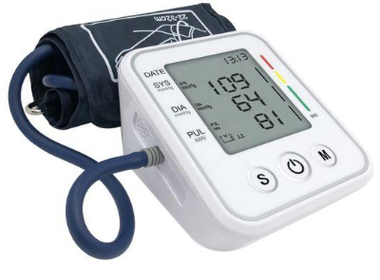
20 | Digital Thermometer | A Digital Thermometer is an electronic instrument used to measure temperature using a temperature sensor and display the reading digitally, Type :- Clinical Digital Thermometer, Probe Thermometer, Infrared Thermometer, Waterproof Digital Thermometer, Laboratory Digital Thermometer, Sensor :- Thermistor / electronic sensor, Display :- LCD, Clinical Range :- Approx. 32–42°C, Laboratory Range :- Depends on model, commonly −50 to +300°C, Resolution :- 0.1°C, Accuracy :- Typically ±0.1 to ±0.5°C, model dependent, Power :- Battery, Probe :- Stainless steel / plastic, depending on application, | 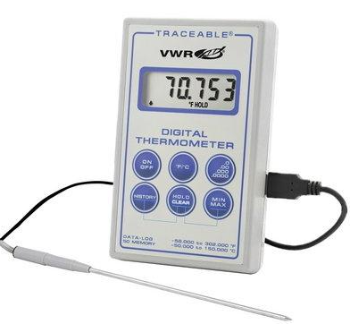
21 | Distilled Water | Distilled Water is purified water produced by boiling water and condensing the steam, removing most dissolved salts, minerals, heavy metals, and many impurities, Type :- Single Distilled Water, Double Distilled Water (DDW), Laboratory Grade Distilled Water, Pharmaceutical Grade, Sterile Distilled Water, Parameter :- Typical Value, Appearance :- Clear, colorless liquid, Conductivity :- Low, typically <10 µS/cm depending on grade, pH :- Approximately 5–7, Packaging :- 500 mL, 1 L, 2 L, 5 L, 20 L, Container :- HDPE/PET/Glass, Purity :- Grade-dependent, | 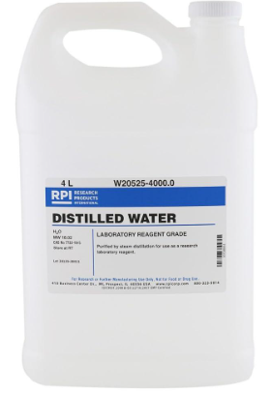
22 | Dropper | A Dropper is a small laboratory or medical device used to transfer liquids in small quantities, usually drop by drop, Type :- Glass Dropper / Pasteur Pipette, Plastic Dropper, Disposable Dropper, Dropper with Rubber Bulb, Dropper Bottle, Graduated Dropper, Material :- Glass, LDPE, HDPE, PP, Capacity :- 1 mL, 2 mL, 3 mL, 5 mL, 10 mL, Tip :- Fine / Standard, Bulb :- Rubber / Silicone / Integrated plastic, Graduation :- Graduated or non-graduated, Sterility :- Sterile / Non-sterile, Usage :- Laboratory / Medical / Chemical,
23 | ECG Machine | An ECG (Electrocardiograph) Machine is a medical diagnostic device that records the electrical activity of the heart through electrodes placed on the patient's body. It produces an ECG waveform used to assess heart rhythm and other cardiac abnormalities, Type :- 3-Channel ECG Machine, 6-Channel ECG Machine, 12-Channel ECG Machine, Portable/Handheld ECG, Digital ECG Machine, Computer-Based ECG, Wireless ECG, ECG Leads :- 3 / 6 / 12 lead, Display :- LCD / TFT, Paper Size :- 50 mm / 80 mm / 110 mm, Recording :- Manual / Automatic, Heart Rate :- Typically 30–300 BPM, Gain :- 5 / 10 / 20 mm/mV, Paper Speed :- 25 / 50 mm/sec, Power :- AC + Rechargeable Battery, Accessories :- Patient cable, electrodes, power cable, thermal paper | 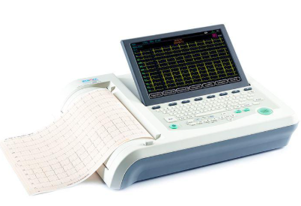
24 | EEG Machine | An EEG (Electroencephalograph) Machine is a medical diagnostic device that records the electrical activity of the brain using electrodes placed on the scalp, Type :- Routine EEG Machine, Digital EEG Machine, Video EEG Monitoring System, Portable EEG Ambulatory EEG, Sleep EEG / Polysomnography System, High-Density EEG System, Channels :- 16 / 32 / 64 / 128+, Electrodes :- Scalp EEG electrodes, Display :- LCD / Computer monitor, Sampling Rate :- Typically 250–2000 Hz, model-dependent, Sensitivity :- Model-dependent, Recording :- Digital, Filters :- High-pass / Low-pass / Notch, Connectivity :- USB / LAN / Wireless, model-dependent, Power :- AC + Battery, depending on model, Accessories :- Electrode cap/cables, paste/gel, patient cable, | 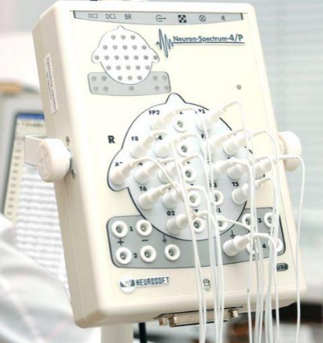
25 | Elastic Bandage | An Elastic Bandage is a stretchable medical bandage used to provide support, compression, and stabilization to injured or swollen body parts, Type :- Crepe Elastic Bandage, Compression Bandage, Elastic Adhesive Bandage, Tubular Elastic Bandage, Latex-Free Elastic Bandage, Self-Adherent Elastic Bandage, Material :- Cotton, polyester, elastane/spandex, Width :- 5, 7.5, 10, 15, 20 cm, Length :- 2–5 m, depending on stretch, Stretch :- Light / Medium / High, Closure :- Clips / Velcro / Self-adherent, Sterility :- Sterile / Non-sterile, Colour :- White / Skin tone / Various, | 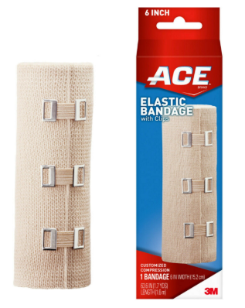
26 | Erlevmeyer Flask | An Erlenmeyer Flask, also called a Conical Flask, is a laboratory vessel with a wide flat base and narrow neck. It is used for mixing, heating, culturing, and storing liquids, Type :- Borosilicate Glass Erlenmeyer Flask, Plastic Erlenmeyer Flask, Baffled, Erlenmeyer Flask, Graduated Erlenmeyer Flask, Erlenmeyer Flask with Stopper, Vent-Cap / Screw-Cap Flask, Material :- Borosilicate Glass / PP / PC, Capacity :- 25, 50, 100, 250, 500, 1000, 2000, 5000 mL, Shape :- Conical, Neck :- Narrow neck, Graduation :- Graduated / Non-graduated, Closure :- Open / Cork / Glass stopper / Screw cap, Heat Resistance :- High for borosilicate glass, | 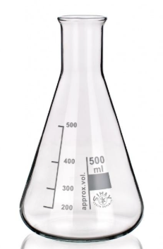
27 | Evaporating Dish | An Evaporating Dish is a shallow laboratory vessel used to evaporate solvents, concentrate solutions, and obtain solid residues by heating, Type :- Porcelain Evaporating Dish, Glass Evaporating Dish, Aluminium Evaporating Dish, Ceramic Evaporating Dish, Crystallizing / Evaporation Basin, Material :- Porcelain / Borosilicate Glass / Aluminium, Capacity :- 25 mL – 1000 mL+, Diameter :- Approx. 50–200 mm, Shape :- hallow, round, Spout :- With / Without, Heat Resistance :- High, depending on material, Surface :- Glazed / Smooth | 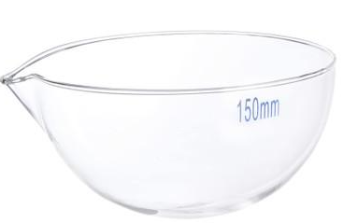
28 | Falcon Tube | A Falcon Tube is a laboratory plastic tube commonly used for sample collection, storage, mixing, and centrifugation. “Falcon” is also a widely used brand name for laboratory consumables, Type :- 15 mL Conical Centrifuge Tube, 50 mL Conical Centrifuge Tube, Round-Bottom Tube, Culture Tube, Cell Culture Tube, Sterile / Non-Sterile Tube, High-Speed Centrifuge Tube, Material :- Polypropylene (PP) / Polystyrene (PS), Capacity :- 15 mL / 50 mL commonly, Shape :- Conical / Round bottom, Closure :- Screw cap, Sterility :- Sterile / Non-sterile, Graduation :- Graduated Centrifuge Use :- Yes, model-dependent, Packaging :-Individual / Bulk pack | 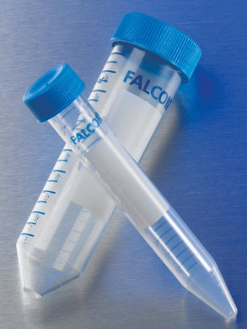
29 | Filter Paper | Filter Paper is a porous laboratory paper used to separate solid particles from liquids or gases by allowing the fluid to pass through while retaining particles, Type :- Qualitative Filter Paper, Quantitative / Ashless Filter Paper, Hardened Filter Paper, Glass Fiber Filter Paper, Membrane Filter, Folded / Pleated Filter Paper, Chromatography Paper, Material :- Cellulose / Glass Fiber / Synthetic, Diameter :- 47, 55, 90, 110, 125, 150, 185 mm, Grade :- Qualitative / Quantitative, Pore Size :- Approx. 1–25 µm, grade-dependent, Shape :- Circular / Sheet, Thickness :- Grade-dependent, Packaging :- 100 / 500 sheets or discs, | 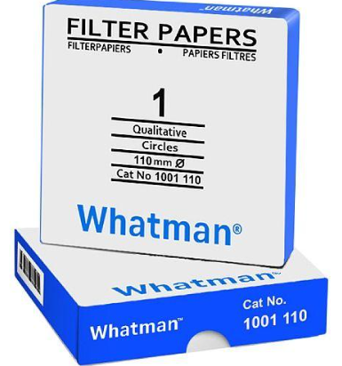
30 | Florence Flask | A Florence Flask, also called a Boiling Flask, is a laboratory glass vessel with a round body and long neck, used primarily for heating and boiling liquids, Type :- Round-Bottom Florence Flask, Flat-Bottom Florence Flask, Long-Neck Flask, Short-Neck Flask, Graduated Florence Flask, Stoppered Florence Flask, Material :- Borosilicate Glass, Capacity :- 50, 100, 250, 500, 1000, 2000 mL, Shape :- Round / Flat Bottom, Neck Long / Short, Mouth :- Narrow, Graduation :- Graduated / Non-graduated, Heat Resistance :-High, Closure :- Open / Stopper, depending on type, | 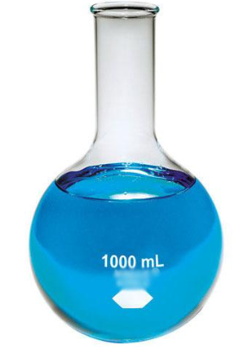
31 | Forceps | Forceps are handheld instruments used to grip, hold, pick up, or manipulate small objects, tissues, or materials. They are commonly used in laboratories, medical facilities, and surgical procedures, Type :- Straight Forceps, Curved Forceps, Surgical Forceps, Dissecting Forceps, Thumb Forceps, Adson Forceps, Mosquito Forceps, Tissue Forceps, Dressing Forceps, Fine-Tip / Precision Forceps, Material - Stainless Steel / Titanium, Length :- 100–300 mm, depending on type, Tip :- Fine / Blunt / Serrated, Shape :- Straight / Curved / Angled, Grip :- Smooth / Serrated, Sterility Sterile / Non-sterile, Reusable :- Yes, for reusable surgical/lab types, | 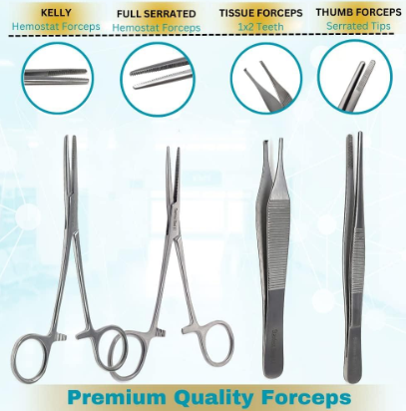
32 | Funnel | A Funnel is a laboratory or general-purpose tool with a wide opening and narrow stem, used to transfer liquids or fine solids into containers with small openings. Some funnel types are designed for filtration or liquid separation, Type :- Plain Funnel, Filter Funnel, Separatory Funnel, Thistle Funnel, Dropping Funnel, Buchner Funnel, Powder Funnel, Plastic Funnel, Material :- Borosilicate Glass / PP / HDPE, Diameter :- 40–200 mm, Stem Length :- 30–200 mm, Capacity :- 50–2000 mL, depending on type, Shape :- Conical / Specialized, Filter :- With / Without filter support, Chemical Resistance :- Material-dependent, | 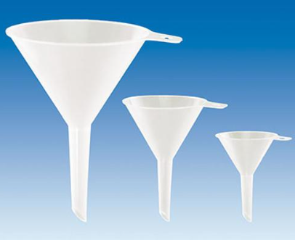
33 | Glucometer | A Glucometer (Blood Glucose Meter) is a portable medical device used to measure blood glucose levels, usually from a small capillary blood sample obtained by a lancet, Type :- Standard Digital Glucometer, Bluetooth/Smart Glucometer, Continuous Glucose Monitoring (CGM) System, No-Coding Glucometer, Multi-Parameter Glucose Meter, Sample :- Capillary whole blood, Sample Volume :- Approx. 0.5–1.0 µL, Measurement Range :- Typically 20–600 mg/dL, Display :- LCD / Backlit LCD, Test Time :- Typically 5–10 seconds, Memory - Model-dependent, Power - Battery, Accessories :- Test strips, lancets, lancing device, | 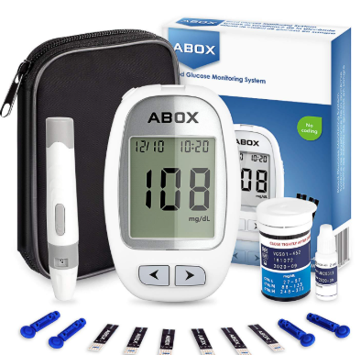
34 | Graduated Cylinder | A Graduated Cylinder (Measuring Cylinder) is a laboratory vessel used to measure and transfer liquids with relatively high accuracy. It has marked volume graduations and a stable base, Type :- Glass Graduated Cylinder, Plastic Graduated Cylinder, Class A Graduated Cylinder, Class B Graduated Cylinder, Single-Scale Cylinder, Double-Scale Cylinder, Material :- Borosilicate Glass / PP / PMP, Capacity :- 10, 25, 50, 100, 250, 500, 1000, 2000 mL, Graduation :- 0.1–20 mL, depending on capacity, Accuracy :- Class A / Class B, Shape :- Tall cylindrical body, Base :- Plastic/Glass stable base, Scale :-Printed, etched or molded, | 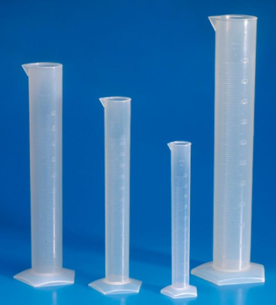
35 | Graduated Pipette | A Graduated Pipette is a laboratory instrument used to measure and transfer specific volumes of liquid. It has calibration markings along its length, allowing different volumes to be measured, Type :- Mohr Graduated Pipette, Serological Pipette, Glass Graduated Pipette, Plastic Disposable Graduated Pipette, Sterile Graduated Pipette, Pasteur-Type Graduated Pipette, Material :- Borosilicate Glass / Polystyrene / PP, Capacity :- 1, 2, 5, 10, 25, 50 mL, Graduation :- 0.01–1 mL, depending on capacity, Accuracy :- Class A / Class B, Type :- Mohr / Serological, Sterility :- Sterile / Non-sterile, Calibration :- TD (To Deliver), model-dependent, | 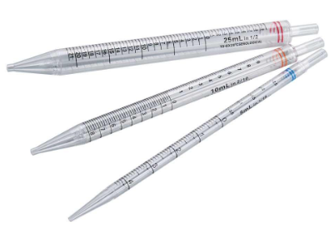
36 | Homogenizer | A Homogenizer is a laboratory instrument used to uniformly mix, disperse, emulsify, or break down samples such as tissues, cells, liquids, and suspensions, Type :- High-Speed Homogenizer, Handheld Homogenizer, Rotor-Stator Homogenizer, Tissue Homogenizer, Ultrasonic Homogenizer / Sonicator, Bead Mill Homogenizer, Laboratory Blender, Homogenizer, High-Pressure Homogenizer, Speed :- 5,000–30,000 RPM, Sample Volume :- Approx. 0.1 mL–5 L+, Probe/Generator :- SS 304/316 or compatible material, Speed Control :- Variable / Digital, Motor :- Electric, Operation :- Handheld / Bench-top, Timer :- Digital / Programmable, model-dependent, Construction :- SS / Laboratory-grade materials, | 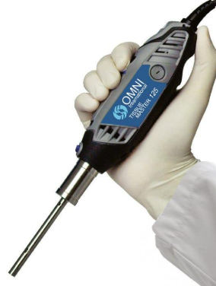
37 | Hot Plate | A Hot Plate is a laboratory heating device used to heat liquids, solutions, and samples in laboratory vessels without using an open flame, Type :- Laboratory Hot Plate, Magnetic Stirrer Hot Plate, Digital Hot Plate, Ceramic Hot Plate, Aluminium Hot Plate, Multi-Position Hot Plate, High-Temperature Hot Plate, Power :- 500–3000 W, Voltage :- 220–240 V AC, Temperature Range :- Ambient to 300–550°C, Plate Material :- Ceramic / Aluminium / Stainless Steel, Plate Size :- Approx. 150×150 to 300×300 mm, Control :- Analog / Digital / PID, Timer :- Optional Safety Over-temperature protection, | 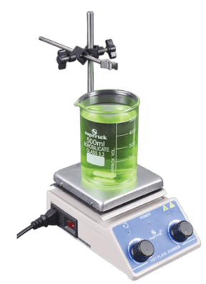
38 | Hypodermic Needle | A Hypodermic Needle is a sterile, hollow needle used with a syringe to inject medicines or other fluids into the body or withdraw fluids, Type :- Standard Hypodermic Needle, Safety Hypodermic Needle, Disposable Hypodermic Needle, Luer Lock Needle, Luer Slip Needle, Intramuscular (IM) Needle, Subcutaneous (SC) Needle, Intradermal Needle, Material :- Stainless Steel, Gauge :- 18G–30G commonly, Length :- 10–50 mm, depending on application, Hub :- Plastic / Polypropylene, Connection :- Luer Lock / Luer Slip, Sterility :- Sterile, single-use, Bevel :- Regular / Short / Long bevel, Packaging :- Individually packed | 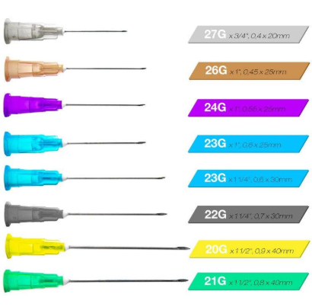
39 | Inoculation Loop | An Inoculation Loop is a laboratory tool used to transfer, spread, and inoculate microorganisms onto culture media such as agar plates, slants, and broth, Type :- Disposable Inoculation Loop, Nichrome Wire Loop, Platinum Loop, Calibrated Loop, Straight Needle/Loop, Loop Size :- 1 µL, 10 µL or standard loop, Wire Material :- Nichrome / Platinum, Handle :- Plastic or metal, Sterility :- Sterile / Non-sterile, Use :- Single-use / Reusable, Loop, Diameter :- Approx. 2–5 mm, Length :- Approx. 150–250 mm, Packaging :- Individual / Bulk | 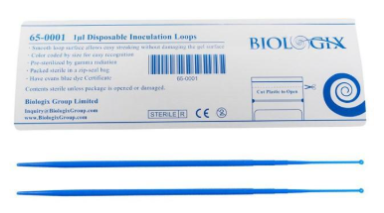
40 | Intravenous - IV | Intravenous (IV) refers to administering medicines, fluids, blood products, or nutrients directly into a vein using an IV catheter/cannula and associated equipment, Common IV Items :- IV Cannula :- 14G, 16G, 18G, 20G, 22G, 24G, IV Infusion Set :- Standard, microdrip, burette, vented/non-vented, IV Extension Set :- Various lengths, IV Catheter :- Peripheral / central venous, IV Three-Way Stopcock :- 2-way / 3-way, IV Set with Filter :- Standard / precision filter, IV Fluid Bag :- 100, 250, 500, 1000 mL, | 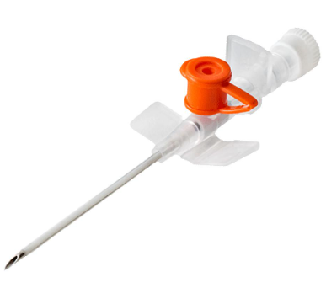
41 | IV Bag | An IV Bag is a sterile medical container used to store and administer intravenous fluids, medications, electrolytes, or nutritional solutions directly into a patient's bloodstream through an IV administration set, Type :- Normal Saline (NS) Bag – 0.9% Sodium Chloride, Dextrose Bag – D5, D10, Ringer's Lactate (RL) Bag, DNS Bag, Mannitol Bag, Blood / Component Bag, TPN/Nutrition Bag, Capacity :- 100, 250, 500, 1000 mL, Material :- Medical-grade PVC / non-PVC, Ports :- Single / dual port, Sterility :- Sterile, single-use, Container :- Flexible collapsible bag, Administration :- IV infusion set, Packaging :- Individual sterile pack,
42 | Lab Spatula | A Lab Spatula is a laboratory hand tool used to scoop, transfer, mix, or handle small quantities of solid chemicals, powders, and laboratory samples, Type :- Stainless Steel Spatula, Micro Spatula, Double-Ended Spatula, Nickel/Platinum Spatula, Plastic Spatula, Material :- SS 304 / SS 316 / Plastic, Length :- 100–250 mm, Blade Width 5–30 mm, Design :- Single-ended / Double-ended, Finish :- Polished / Matte, Use :- Reusable / Disposable, | 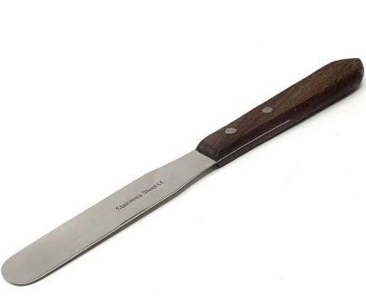
43 | Magnifier | A Magnifier is an optical instrument used to enlarge the appearance of small objects or details for easier observation and inspection, Type :- Handheld Magnifying Glass, LED Magnifier, Stand Magnifier, Pocket Magnifier, Loupe Magnifier, Digital Magnifier, Magnification :- 2×, 3×, 5×, 10×, 20×+, Lens Material :- Optical glass / Acrylic, Lens Diameter :- 50–150 mm, Frame :- ABS / Metal, Illumination :- LED, optional, Power :- Battery / USB / AC, model-dependent, Handle/Stand :- Plastic / Metal | 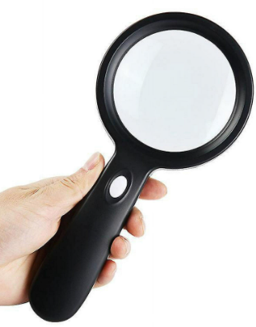
44 | Micropipette | A Micropipette is a precision laboratory instrument used to measure and transfer very small volumes of liquid, typically from microliters (µL) to milliliters, Type :- Single-Channel Micropipette, Multichannel Micropipette, Fixed-Volume Micropipette, Adjustable-Volume Micropipette, Mechanical Micropipette, Electronic Micropipette, Positive-Displacement Pipette, Common Volume Ranges :- P2 0.1–2 µL, P10 :- 0.5–10 µL, P20 :- 2–20 µL, P100 :- 10–100 µL, P200 :- 20–200 µL, P1000 :- 100–1000 µL, P5000 :- 1–5 mL, Accuracy: model- and volume-dependent, Precision: specified as CV or %CV, Tip: Disposable PP micropipette tip, Operation: Air-displacement or positive-displacement, Calibration: Adjustable/calibratable, Ejector: Tip-ejection mechanism, Volume Display: Digital mechanical or electronic, | 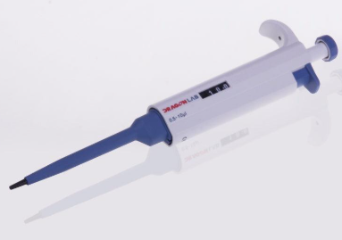
45 | Micropipette Tips | Micropipette Tips are disposable plastic tips fitted onto micropipettes for accurate transfer and dispensing of liquid samples and reagents. They help prevent cross-contamination between samples, Type :- Universal Tips, Filter Tips, Sterile Tips, Low-Retention Tips, Conductive Tips, Gel-Loading Tips, Tip Type :- Micro / Yellow Tip :- 2–200 µL, Blue Tip :- 100–1000 µL, Small Volume Tip :- 0.1–10 µL, Filter Tip :- 0.1–1000 µL, Specialty Tip :- 1–5000 µL, Material: Polypropylene (PP), Sterile / non-sterile, Filtered / non-filtered, Graduated markings available, Rack / bulk packaging, Autoclavable options available, Compatible with specified micropipette brands/models, | 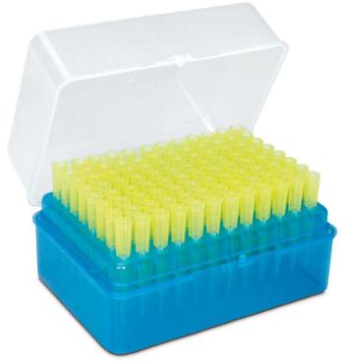
46 | Mortar & Pastle | A Mortar & Pestle is a laboratory tool used to crush, grind, pulverize, and mix solid materials, chemicals, powders, and samples, Type :- Porcelain Mortar & Pestle, Ceramic Mortar & Pestle, Glass Mortar & Pestle, Agate Mortar & Pestle, Stainless Steel Mortar & Pestle, Aluminium Mortar & Pestle, Material :- Porcelain / Ceramic / Glass / Agate / SS, Capacity :- 25–1000 mL+, Diameter :- Approx. 50–200 mm, Pestle Length :- Approx. 75–250 mm, Finish :- Smooth / Glazed, Use :- Grinding / Crushing / Mixing | 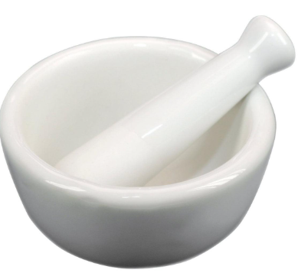
47 | Murcury Sphygmomanometer | A Mercury Sphygmomanometer is a manual blood-pressure measuring instrument that uses a mercury column to measure systolic and diastolic blood pressure in mmHg, Main Components :- Mercury column, Cuff, Inflation bulb, Air-release valve, Connecting tubing, Cuff manometer assembly, Protective casing/stand, Type :- Wall-Mounted, Desktop/Tabletop, Portable, Mobile/Stand Type, Measuring Range :- 0–300 mmHg, Graduation :- 2 mmHg, Cuff :- Adult / Pediatric / Large Adult, Inflation :- Manual bulb, Measurement :- Manual auscultatory, Manometer :- Mercury column, Construction :- Metal/ABS housing + glass column, | 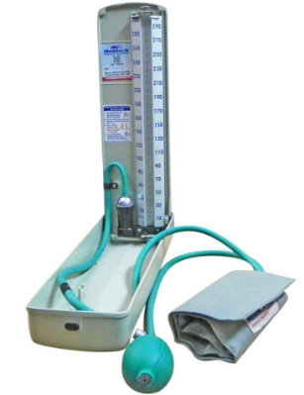
48 | Oxygen Mask | An Oxygen Mask is a medical device used to deliver supplemental oxygen from an oxygen source to a patient's nose and mouth. It is commonly used in hospitals, clinics, ambulances, and emergency care, Type :- Simple Oxygen Mask, Non-Rebreather Mask (NRM), Venturi Mask, Partial Rebreather Mask, Pediatric Oxygen Mask, Adult Oxygen Mask, Size :- Pediatric / Adult, Material :- Medical-grade PVC, Oxygen Flow :- 5–15 L / min, Tubing Length :- 1.5–2 m typical, Connection :- Standard oxygen tubing connector, Mask Type :- Simple / Venturi / NRM, Features :- Adjustable elastic strap, soft nose clip, Sterility :- Sterile / Non-sterile, Packaging :- Individual / Bulk, | 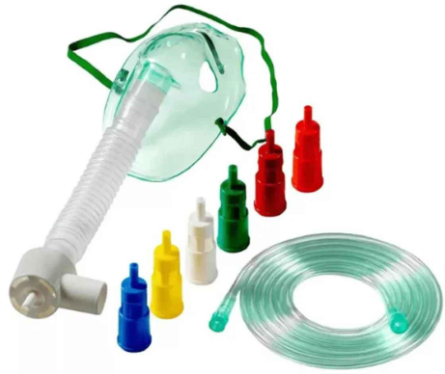
49 | Petri Dish | A Petri Dish is a shallow, circular laboratory container with a fitted lid, mainly used for culturing microorganisms, cells, and biological samples and for observing or isolating colonies, Type :- Glass Petri Dish, Plastic Petri Dish, Sterile Petri Dish, Cell Culture Petri Dish, Compartment Petri Dish, Diameter :- 35, 60, 90, 100, 150 mm, Height :- Approx. 10–25 mm, Material :- Glass / Polystyrene, Shape :- Round, Lid :- Fitted/vented lid, Sterility :- Sterile / Non-sterile, Type :- Smooth / Ventilated / Compartment, Packaging :- Individual / Pack of 10, 20, 25, 50, | 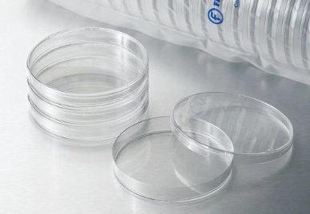
50 | PH Paper | pH Paper is an indicator paper used to quickly determine whether a liquid is acidic, neutral, or alkaline by changing color when it comes into contact with the sample, Type :- Universal pH Paper, Narrow-Range pH Paper, Litmus Paper, pH Test Strips, pH Range :- 0–14, Resolution :- 0.5 / 1.0 pH, Form :- Strip / Roll / Booklet, Indicator :- Universal / Litmus, Color Chart :- Included, Sample Type :- Aqueous liquids, Packaging :- 20, 50, 100 strips or roll, Storage :- Dry, sealed container, | 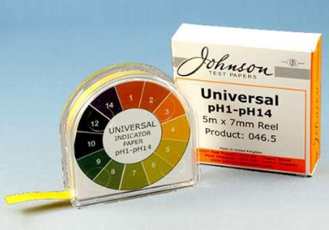
51 | Precision Scale | A Precision Scale is an electronic weighing instrument used to measure the mass of materials with higher accuracy and resolution than a standard weighing scale. It is commonly used in laboratories, production, quality control, and industrial applications, Type :- Digital Precision Balance, Laboratory Precision Scale, Top-Loading Precision, Balance, Compact Precision Scale, Industrial Precision Scale, Capacity :- 100 g – 30 kg, Readability :- 0.001 g, 0.01 g, 0.1 g, 1 g, Display :- Digital LCD/LED, Pan Material :- Stainless Steel, Calibration :- Internal / External, Units :- g, kg, ct, oz, lb, Tare Function :- Yes, Power :- AC / Rechargeable battery, Interface :- USB / RS-232, model dependent, | 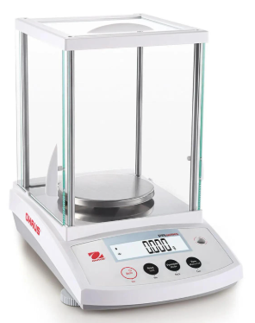
52 | Pregnancy Test Kit | A Pregnancy Test Kit is an in-vitro diagnostic (IVD) test used to detect human chorionic gonadotropin (hCG) in urine, which can indicate pregnancy. It is commonly available as a strip, cassette, or midstream test, Type :- Pregnancy Test Strip, Pregnancy Test Cassette, Midstream Pregnancy Test, Digital Pregnancy Test, Sample :- Urine, Target :- hCG, Test Format :- Strip / Cassette / Midstream, Result Time :- Approx. 3–5 minutes, Sensitivity :- Commonly 10–25 mIU/mL hCG, Result :- Positive / Negative / Invalid, Use :- Single-use, Packaging :- Individual sterile/foil pouch, | 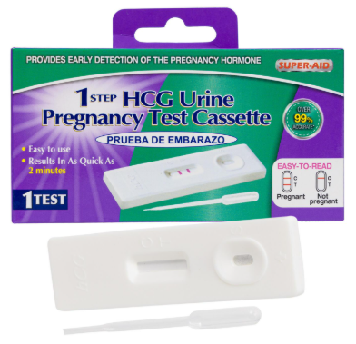
53 | Pulse Oximeter | A Pulse Oximeter is a non-invasive medical device used to measure blood oxygen saturation (SpO₂) and pulse rate. Fingertip models use optical sensors placed on a finger to estimate these values, Type :- Fingertip Pulse Oximeter, Handheld Pulse Oximeter, Wrist-Worn Pulse Oximeter, Bedside/Patient Monitor Oximeter, Pediatric Pulse Oximeter, SpO₂ Range :- 70–100%, SpO₂ Resolution :- 1%, SpO₂ Accuracy :- Typically ±2%*, Pulse Rate Range :- 30–250 BPM, Pulse Resolution :- 1 BPM, Display :- LED / LCD / OLED, Power :- 2 × AAA / Rechargeable, Sensor :- Finger clip / External probe, Features :- Auto shut-off, low-battery indicator, | 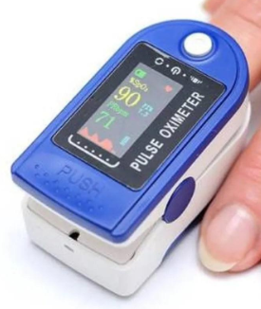
54 | Reagent Bottle | A Reagent Bottle is a laboratory container used for storing chemicals, reagents, solutions, and other laboratory liquids or powders. It is designed with a secure, chemical-resistant closure to reduce contamination and evaporation, Type :- Clear Glass Reagent Bottle, Amber/Brown Glass Reagent Bottle, Narrow-Mouth Reagent Bottle, Wash/Dispensing Reagent Bottle, Capacity :- 30 mL, 60 mL, 100 mL, 250 mL, 500 mL, 1 L, 2 L, Material :- Borosilicate Glass / HDPE / PP, Colour :- Clear / Amber, Mouth :- Narrow / Wide, Closure :- Screw Cap / GL45 Cap, Cap Material :- PP / PTFE-lined, Graduation :- With / Without, Sterility :- Sterile / Non-sterile, | 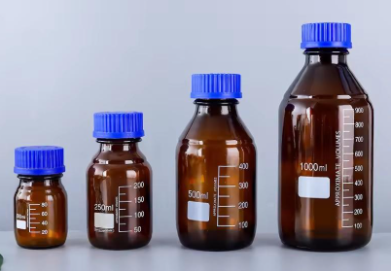
55 | Retort | A Retort is a laboratory apparatus consisting of a vessel with a curved neck, historically used for distillation and chemical reactions involving heating. In laboratory setups, the term may also refer to a retort vessel or related support apparatus, Type :- Glass Retort, Laboratory Distillation Retort, Metal Retort, Retort Vessel, Retort Stand & Clamp, Assembly, Material :- Borosilicate Glass / Metal, Capacity :- 100 mL – 2 L+, Neck :- Curved / Side outlet, Joint :- Ground Glass Joint, model dependent, Temperature Resistance :- Model dependent, Use :- Distillation / Heating / Reaction, Accessories :- Stand, clamp, receiver, stopper, | 
56 | Saline | Saline generally refers to a sterile solution of sodium chloride (NaCl) in water. In medical use, Normal Saline (0.9% NaCl) is commonly supplied in IV bags or bottles, Type :- Normal Saline (NS) – 0.9% NaCl, Half Normal Saline – 0.45% NaCl, Hypertonic Saline – 3% NaCl or other concentrations, Saline Irrigation Solution, Sterile Normal Saline for Wound/Eye Use, Concentration :- 0.9% NaCl for Normal Saline, Form :- IV Bag / Bottle / Irrigation, Volume :- 100 mL, 250 mL, 500 mL, 1000 mL, Route :- IV / Irrigation, depending on product, Container :- PVC / Non-PVC / Plastic Bottle, Sterility :- Sterile, Packaging :- Single-use,
57 | Saline Tube | A Saline Tube generally refers to the medical tubing used to transfer saline (IV fluid) from a saline bag/bottle to a patient. It is commonly supplied as part of an IV infusion set, Type :- IV Saline Infusion Tube, Standard IV Infusion Set, Microdrip Infusion Set, Macrodrip Infusion Set, Extension Tube for IV Line, Material :- Medical-grade PVC, Tube Length :- 150–200 cm typical, Drip Type :- Macrodrip / Microdrip, Connector :- Luer Lock / Luer Slip, Spike :- Standard IV spike, Filter :-With / Without, Clamp :- Roller clamp, Sterility :- Sterile, Use :- Single-use | 
58 | Scalped | A Scalpel is a small, sharp surgical instrument used for making precise incisions and cutting tissue during surgical and medical procedures, Type :- Disposable Scalpel, Reusable Scalpel with Handle, Scalpel Blade, Safety Scalpel, Sterile Surgical Scalpel, Common Blade Numbers :- No. 10 - General surgical incisions, No. 11 :- Small/stab incisions, No. 12 :- Curved cutting applications, No. 15 :- Fine, precise incisions, No. 20–24 :- Larger/deeper incisions, Blade Material :- Stainless Steel / Carbon Steel, Handle :- Stainless Steel / Polymer, Sterility :- Sterile / Non-sterile, Type :- Disposable / Reusable, Blade Size :- No. 10, 11, 12, 15, 20–24, Packaging :- Individual sterile pack | 
59 | Slide | A Microscope Slide is a thin, flat piece of glass or plastic used to hold specimens for examination under a microscope, Type :- Plain Glass Slide, Frosted-End Slide, Pre-cleaned Microscope Slide, Prepared Microscope Slide, Cavity/Concavity Slide, Plastic Microscope Slide, Size :- 75 × 25 mm, Thickness :- 1.0–1.2 mm typical, Material :- Optical Glass / Plastic, Surface :- Plain / Frosted, Edges :- Ground / Beveled, Sterility :- Sterile / Non-sterile, Packaging :- 50 / 72 / 100 slides, | 
60 | Slide Box | A Microscope Slide Box is a storage container designed to protect, organize, and transport microscope slides. Individual slots help prevent slides from touching, breaking, or becoming contaminated, Type :- Plastic Slide Box, Wooden Slide Box, Metal Slide Box, Cardboard Slide Box, Slide Storage Case with Individual Slots, Capacity :- 25 / 50 / 72 / 100 slides, Slide Size :- Typically 75 × 25 mm, Material :- Plastic / Wood / Metal / Cardboard, Slot Type :- Individual numbered slots, Lid :- Hinged / Removable / Locking, Lining :- Foam / Felt / Plastic, Labeling :- Numbered / Writable index, | 
61 | spectrophotometer Cuvette | A Spectrophotometer Cuvette is a small transparent container used to hold a liquid sample inside a spectrophotometer for absorbance or transmission measurement. The optical path length is commonly 10 mm (1 cm), Type :- Quartz Cuvette – suitable for UV and visible wavelengths, Glass Cuvette – generally used for visible-range measurements, Plastic Cuvette, Semi-Micro Cuvette, Micro Cuvette, Flow-Through Cuvette, Optical Path Length :- 10 mm / 5 mm / 2 mm / 1 mm, Material :- Quartz / Optical Glass / Plastic, Volume :- 70 µL – 4.5 mL, depending on type, Optical Range :- Model/material dependent, Shape :- Square / Rectangular, Lid :- With / Without, Type :- Standard / Semi-micro / Micro, Pack Size :- 2 / 4 / 10 / 100 pcs,
62 | Spirit Lamp ( Alcohal Burner ) | A Spirit Lamp (Alcohol Burner) is a small laboratory heating device that burns alcohol-based fuel through a wick to produce a controlled flame. It is commonly used for gentle heating and sterilization in laboratory and educational settings, Type :- Glass Spirit Lamp, Metal/Brass Spirit Lamp, Stainless Steel Alcohol Burner, Wick-Type Alcohol Burner, Adjustable-Flame Alcohol Burner, Capacity :- 50–250 mL, Material :- Glass / Brass / Stainless Steel, Fuel :- Ethanol / Denatured Alcohol, Wick :- Cotton / Fiberglass, Flame Control :- Fixed / Adjustable, Cap :- Screw-on / Snuffer Cap, Approx. Burning Time :- Model and fuel dependent, Use :- Heating / Sterilization, | 
63 | Spot Plate | A Spot Plate is a laboratory plate containing multiple small wells or depressions used for small-scale chemical reactions, qualitative tests, and color-change observations. It helps reduce reagent consumption compared with test tubes or beakers, Type :- Porcelain Spot Plate, Glass Spot Plate, Plastic Spot Plate, Black/White Spot Plate, Multi-Well Spot Plate, Number of Wells :- 6 / 12 / 24 / 48, Material :- Porcelain / Glass / Plastic, Well Shape :- Circular / Concave, Well Capacity :- Approx. 0.5–5 mL, Colour :- White / Black, Autoclavable :- Depending on material, Use :- Qualitative chemical testing, | 
64 | Stethoscope | A stethoscope is a medical diagnostic instrument used to listen to internal body sounds such as heartbeats, breathing sounds, and blood-flow sounds, Type :- Acoustic Stethoscope, Dual-Head Stethoscope, Cardiology Stethoscope, Pediatric Stethoscope, Neonatal Stethoscope, plifies and records sounds, Chest piece :- Single / Double head, Diaphragm :- Adult / Pediatric, Tube length :- Approx. 55–75 cm, Chest piece material :- Stainless steel / Aluminium, Tubing PVC / Silicone, Ear tips :- Soft silicone / Rubber, Frequency response :- Model dependent, Finish :- Chrome / Stainless steel / Black, Use :- Adult / Pediatric / Neonatal | 
65 | Stirring Rod | A stirring rod is a laboratory tool used to mix, stir, dissolve, and transfer liquids or solutions in beakers, flasks, and other laboratory containers, Type :- Glass Stirring Rod, Borosilicate Glass Rod, PTFE Stirring Rod, Plastic Stirring Rod, Rubber-Policeman Rod, Material :- Borosilicate glass / PTFE / PP, Length :- 150–600 mm, Diameter :- 3–10 mm, Shape :- Straight / rounded ends, Surface :- Smooth, Heat resistance :- High for borosilicate/PTFE, Application :- Mixing, stirring, dissolving, | 
66 | Stopper | A laboratory stopper is a plug used to close and seal laboratory containers such as test tubes, flasks, reagent bottles, and sample containers, Type :- Rubber Stopper, Silicone Stopper, Glass Stopper, Cork Stopper, Plastic Stopper, One-Hole / Two-Hole Stopper, Material :- Rubber / Silicone / Glass / PP / Cork, Size :- No. 000–12 or custom, Shape :- Tapered / Conical, Hole :- Solid / 1-hole / 2-hole, Temperature resistance :- Material dependent, Application :- Test tube / Flask / Bottle | 
67 | Syringe | A syringe is a device used to draw, measure, transfer, or inject liquids, medications, and laboratory samples. It generally consists of a barrel, plunger, and tip/nozzle, Type :- Disposable Syringe, Luer Lock Syringe, Luer Slip Syringe, Insulin Syringe, Tuberculin Syringe, Glass Syringe, Gas-Tight Syringe, Capacity :- 1, 2, 3, 5, 10, 20, 30, 50/60 mL, Material :- PP / PE / Glass, Tip :- Luer Lock / Luer Slip, Plunger :- Plastic / PTFE, Sterility :- Sterile / Non-sterile, Needle :- With needle / Without needle, Graduation :- mL / µL, model dependent, Use :- Medical / Laboratory | 
68 | Syurgical Scissor | Surgical scissors are medical instruments used for cutting and dissecting tissue, sutures, dressings, bandages, and other surgical materials, Type, Mayo Scissors, Metzenbaum Scissors, Iris Scissors, Bandage Scissors, Suture Scissors, Straight Scissors, Curved Scissors, Material :- Stainless Steel, Length :- 10–20 cm, Blade :- Sharp / Blunt, Shape :- Straight / Curved, Tip :- Sharp / Blunt, Finish :- Polished / Satin, Sterilization :- Autoclavable, Reusable :- Yes, depending on model, | 
69 | Test Tube | A test tube is a laboratory container used for holding, mixing, heating, culturing, and observing small quantities of liquids or samples, Type :- Glass Test Tube, Borosilicate Test Tube, Plastic Test Tube, Culture Test Tube, Centrifuge Test Tube, Test Tube with Cap, Material :- Borosilicate glass / PP / PS, Capacity :- 5–50 mL, Common size :- 12 × 75 mm, 13 × 100 mm, 16 × 150 mm, Bottom :- Round / Flat, Mouth :- Open / Screw cap / Plug, Sterility :- Sterile / Non-sterile, Temperature resistance :- Material dependent, | 
70 | Test Tube Holder | A test tube holder is a laboratory tool used to grip and hold test tubes safely, especially when the tube is being heated or contains a hot sample, Type :- Wooden Test Tube Holder, Metal Test Tube Holder, Spring Clamp Holder, Plastic Test Tube Holder, Material :- Wood / Stainless Steel / Metal / Plastic, Length :- 150–250 mm, Grip type :- Spring / Clamp, Tube compatibility :- Approx. 10–25 mm diameter, Handle :- Straight / Insulated, Heat resistance :- High for metal/wood types | 
71 | Test Tube Rack | A test tube rack is a laboratory stand used to hold, organize, and support test tubes in an upright position during experiments, storage, or drying, Type :- Plastic Test Tube Rack, Stainless Steel Rack, Wooden Rack, Wire Rack, Adjustable Rack, Material :- PP / ABS / SS / Aluminium / Wood, Capacity :- 6–100+ tubes, Tube size :- Approx. 10–30 mm diameter, Hole diameter :- 12–30 mm, Design :- Single / Multi-tier, Position :- Upright / Angled, Application :- Test tube storage / drying / experiments | 
72 | Tong | Laboratory tongs are tools used to grip, lift, and handle hot or difficult-to-hold laboratory vessels and materials safely, Type :- Crucible Tongs, Beaker Tongs, Test Tube Tongs, Flask Tongs, Utility Tongs, Material :- Stainless Steel / Nickel-plated steel, Length :- 150–400 mm, Grip :- Serrated / Smooth, Jaw type :- Curved / Flat, Heat resistance :- High, Handle :- Straight / Ring type, Application :- Hot glassware / Crucibles / Test tubes, | 
73 | Tray | A laboratory tray is a flat container used to hold, organize, transport, or contain laboratory instruments, samples, glassware, and materials, Types :- Stainless Stee, Plastic Tray, Instrument Tray, Sample Tray, Perforated Tray, Disposable Tray, Material :- SS304 / SS316 / PP / ABS, Length :- 200–600 mm, Width :- 150–400 mm, Height/Depth :- 20–100 mm, Shape :- Rectangular / Square / Round, Surface :- Smooth / Perforated Sterilization :- Autoclavable, model dependent, | 
74 | Treezer | Tweezers are precision hand tools used to grip, pick up, position, or transfer small objects and laboratory specimens, Type :- Straight Tweezers, Curved Tweezers, Fine-Tip Tweezers, Blunt-Tip Tweezers, Anti-Magnetic Tweezers, Forceps-Type Tweezers, Material :- Stainless Steel / Titanium / Plastic, Length :- 100–200 mm, Tip :- Fine / Blunt / Serrated, Shape :- Straight / Curved / Angled, Finish :- Polished / Matte, Magnetic property :- Magnetic / Anti-magnetic, Sterilization :- Autoclavable, model dependent, | 
75 | Volumetric Flask | A Volumetric Flask is a laboratory glassware vessel designed to prepare and contain solutions at a very precise fixed volume. It has a flat bottom, narrow neck, calibration mark, and usually a stopper, Type :- Class A Volumetric Flask, Class B Volumetric Flask, Glass Volumetric Flask, Plastic Volumetric Flask, Amber Volumetric Flask, Capacity :- 5, 10, 25, 50, 100, 250, 500, 1000, 2000 mL, Material :- Borosilicate Glass / PP, Accuracy :- Class A / Class B, Shape :- Flat bottom, long narrow neck, Calibration :- Single graduation mark, Stopper :- Glass / Plastic, Graduation :- Permanent etched marking, Color :- Clear / Amber | 
76 | Volumetric Pipette | A Volumetric Pipette is a precision laboratory instrument used to measure and transfer one specific, accurately calibrated volume of liquid. It has a bulb-shaped section and a calibration mark on the stem, Type :- Class A Volumetric Pipette, Class B Volumetric Pipette, Glass Volumetric Pipette, Plastic Volumetric Pipette, Amber Volumetric Pipette, Capacity :- 1, 2, 5, 10, 20, 25, 50, 100 mL, Material :- Borosilicate Glass / Plastic, Accuracy :- Class A / Class B, Calibration :- Single graduation mark, Tip :- Fine delivery tip, Graduation :- Single mark, Use :- Accurate liquid transfer, Accuracy :- Model / standard dependent,
77 | Wash Bottle | A Wash Bottle is a laboratory dispensing bottle used to rinse glassware, wash containers, and dispense small quantities of distilled water, deionized water, or suitable solvents through a narrow nozzle, Type :- Standard Wash Bottle, Angled Nozzle Wash Bottle, Self-Venting Wash Bottle, Solvent Wash Bottle, Safety Wash Bottle, LDPE / HDPE / PP Wash Bottle, Capacity :- 100, 250, 500, 1000 mL, Material :- LDPE / HDPE / PP, Nozzle :- Straight / Angled, Cap :- Screw Cap, Dispensing :- Squeeze Type, Bottle :- Flexible / Semi-rigid, Identification :- Printed / Write-on label, Use :- Water / Solvent / Reagent, | 
78 | Watch Glass | A Watch Glass is a shallow, circular, slightly concave laboratory glassware item used for evaporating small amounts of liquid, covering beakers, holding samples, and weighing solid substances, Type :- Borosilicate Glass Watch Glass, Standard Watch Glass, Heavy-Duty Watch Glass, Plastic Watch Glass, Disposable Watch Glass, Material :- Borosilicate Glass / Plastic, Diameter :- 40, 50, 60, 75, 90, 100, 120, 150 mm, Shape :- Circular, Concave, Thickness :- Model dependent, Surface :- Smooth, Heat Resistance :- Suitable for laboratory heating, model dependent, Reusable :- Yes, for glass types | 
79 | Weighing Paper | Weighing Paper is a lightweight, clean laboratory paper used to hold, transfer, and weigh solid chemicals or samples on a balance. It helps prevent contamination and keeps the weighing pan clean, Type :- Standard Weighing Paper, Anti-Static Weighing Paper, Waxed Weighing Paper, Glassine Weighing Paper, Disposable Weighing Sheets, Weighing Boats/Paper Alternatives, Material :- Paper / Glassine / Special coated paper, Size :- 50 × 50 to 150 × 150 mm, Shape :- Square / Rectangular, Surface :- Smooth / Low-lint, Pack Size :- 100–1000 sheets, Use :- Solid samples / Powders, Disposable :- Yes | 

